Impact vs. Likelihood graph
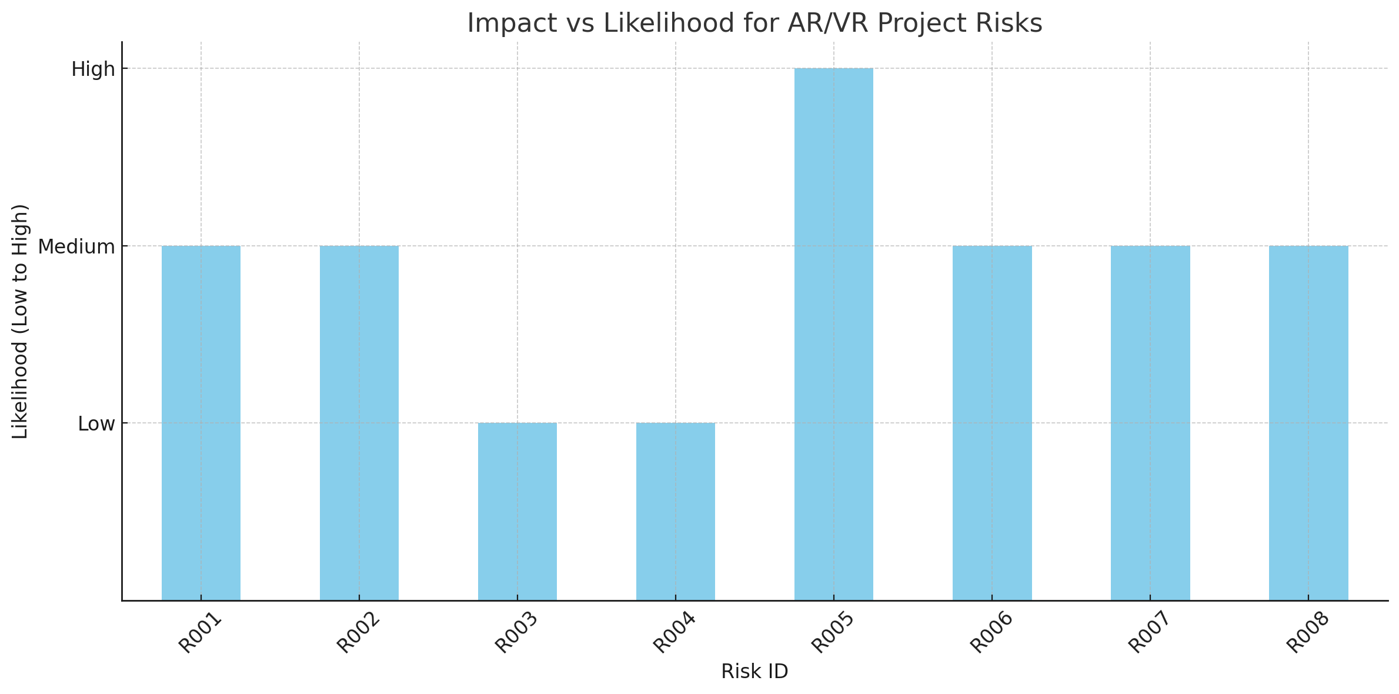
Risk ID | Risk Name | Impact on AR/VR Project | Likelihood | Mitigation Strategies
R001 | Security Breach | Potential exposure of confidential AR/VR training content | Medium | Implement SSL, secure authentication, penetration testing
R002 | Lack of Stakeholder Buy-in | Resource constraints impacting AR/VR module deployment | Medium | Showcase benefits with data, secure early endorsements
R003 | Data Loss or Corruption | Setbacks in AR/VR module development due to data issues | Low | Real-time backup systems, data integrity checks
R004 | Scope Creep | Overextension and quality compromise in AR/VR content | Low | Enforce change control, regularly review project scope
R005 | Communication Issues | Misalignment on AR/VR requirements, delays in development | High | Establish communication plan, regular updates
R006 | Integration Challenges | Technical hurdles in AR/VR module functionality | Medium | Integration testing, modular content delivery
R007 | Inadequate Training | Suboptimal utilization of AR/VR training modules | Medium | Detailed training programs, hands-on AR/VR sessions
R008 | Lack of User Adoption | Underutilization of AR/VR modules, poor ROI | Medium | Change management plan, user feedback, gamification

Impact vs.Likelihood(Expensive)
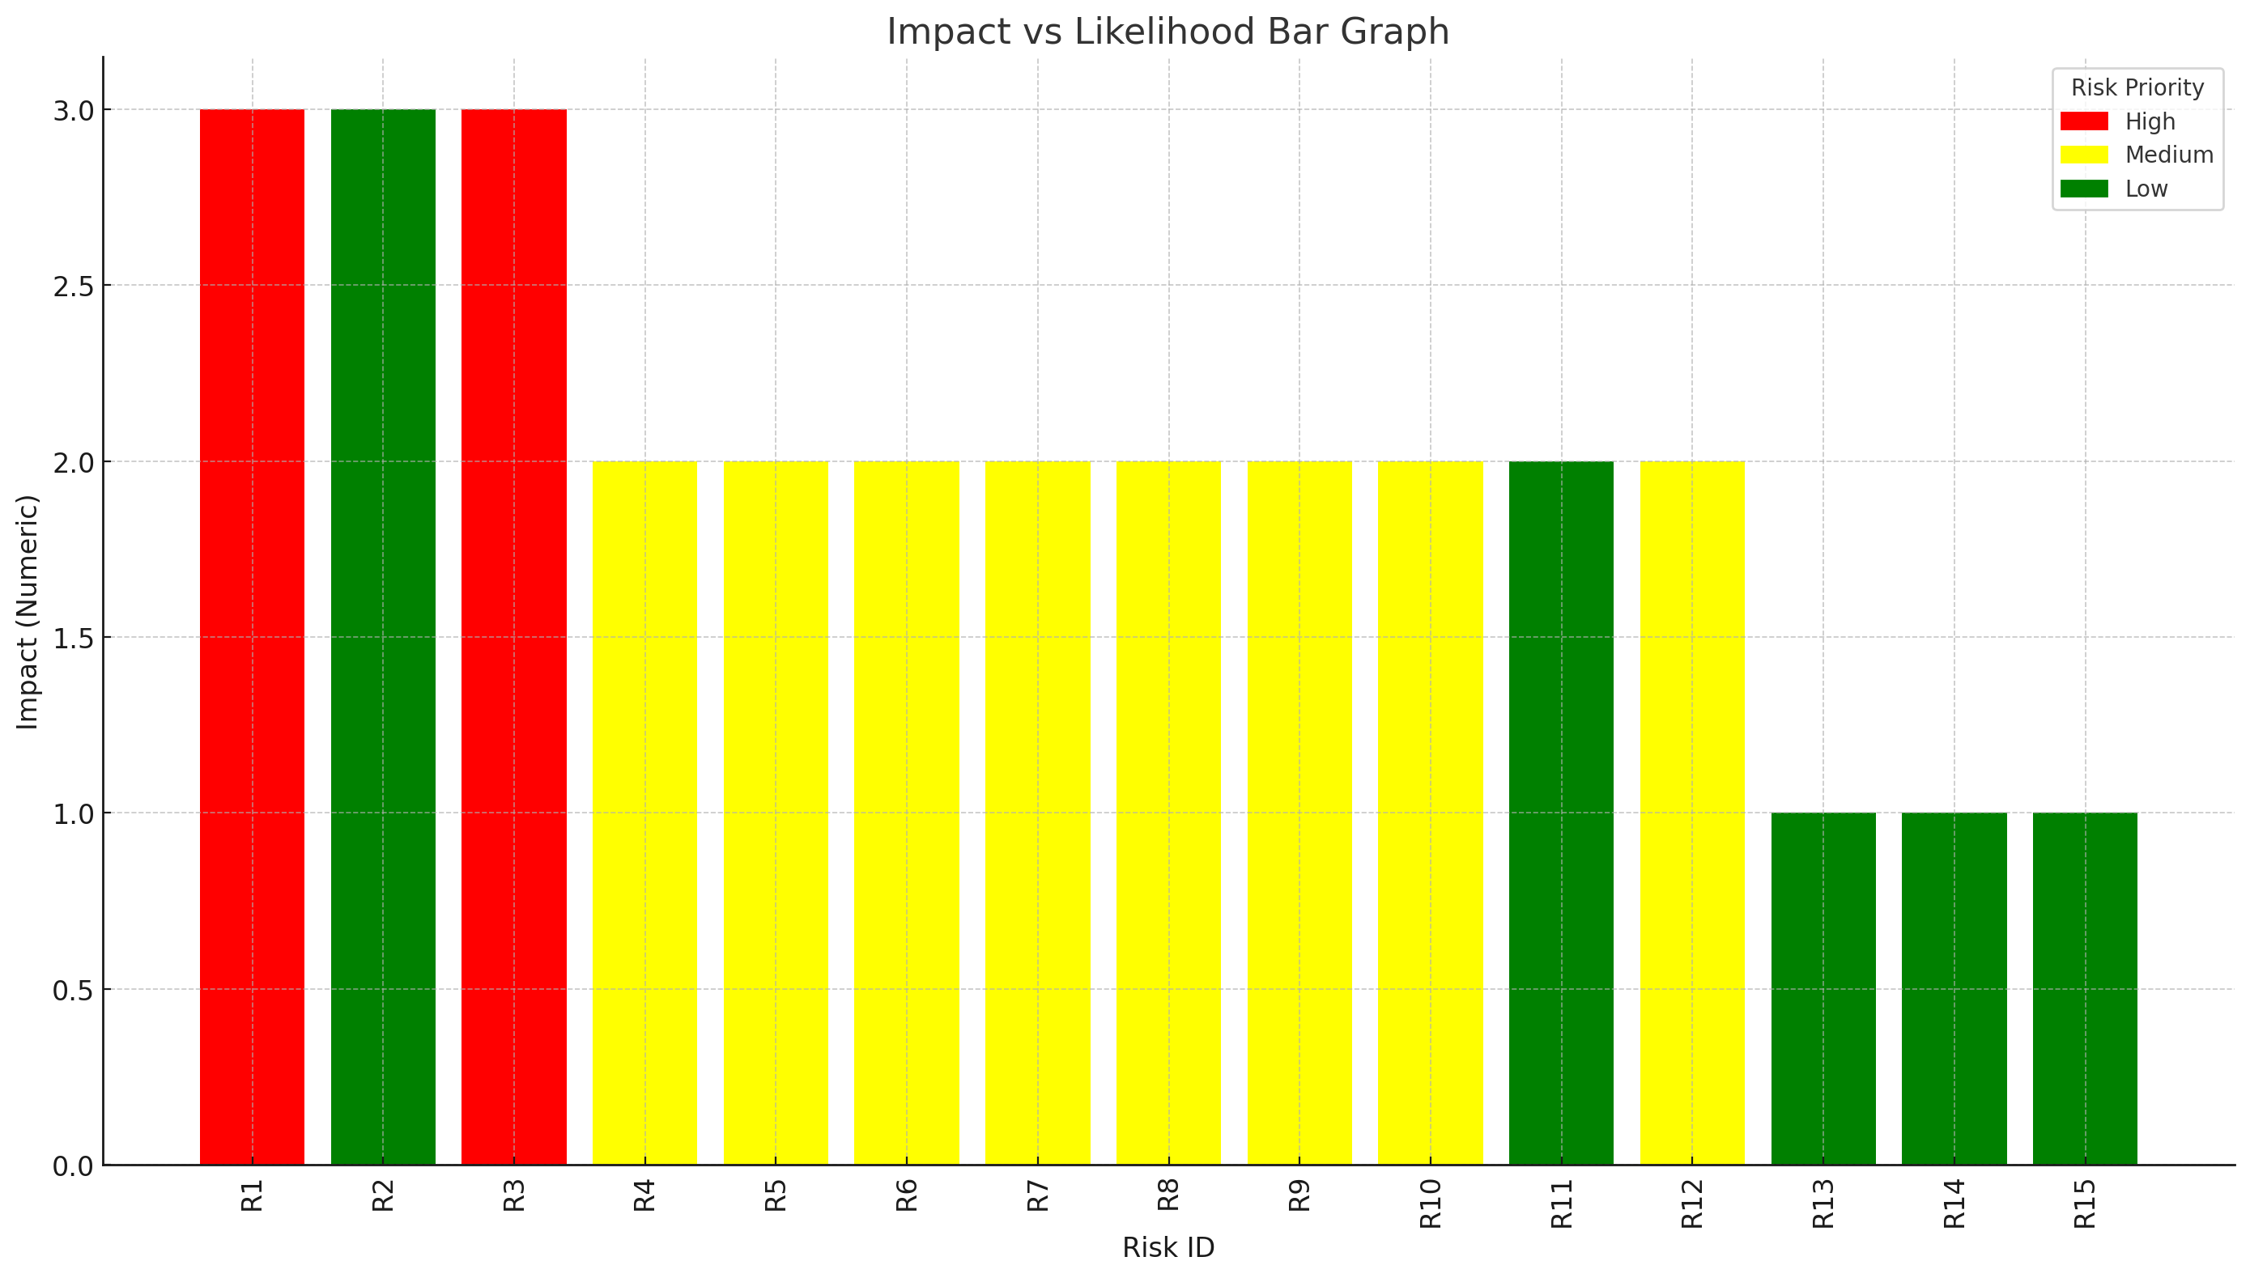
Risk ID | Risk Description | Impact | Likelihood | Risk Priority | Impact Description | Mitigation Strategies | Risk Response | Risk Trigger | Risk Owner
R1 | Budget limit may cause issues | High | Medium | High | May affect project funding and deliverable quality | Secure additional funding sources, revise budgeting | Mitigate | Funding shortfall | Financial Manager
R3 | Limited Availability of Skilled AR/VR Developers | High | Medium | High | May hinder project progress and innovation | Invest in training and external partnerships | Mitigate | New AR/VR tech not adopted | Development Manager
R4 | Inadequate User Support and Training | Medium | Medium | Medium | Could result in low user satisfaction and uptake | Enhance support resources, user-friendly documentation | Mitigate | Support system failure | Support Manager
R5 | Technical Incompatibility with Existing Systems | Medium | Medium | Medium | May cause delays and increase project costs | Regular compatibility checks and system updates | Mitigate | Compatibility update failure | Technical Manager
R6 | Legal or Regulatory Changes | Medium | Medium | Medium | Potential for project delays and legal issues | Stay updated on legal changes, consult legal experts | Transfer | New legal regulation | Legal Advisor
R7 | Limited Stakeholder Engagement and Support | Medium | Medium | Medium | Could reduce project support and increase resistance | Strengthen stakeholder relationships, regular updates | Mitigate | Stakeholder withdrawal | Stakeholder Manager
R8 | Inadequate Time for Completing AR/VR Training Modules | Medium | Low | Medium | May extend project timelines and affect planning | Time management training, buffer time in schedules | Mitigate | Unexpected project delay | Project Coordinator
R9 | Delays in Equipment Delivery | Medium | Medium | Medium | Could delay project deliverables and affect quality | Develop alternative supplier relationships, stockpile key components | Mitigate | Supply chain disruption | Supply Chain Manager
R10 | AR/VR Equipment Technical Issues | Medium | Medium | Medium | May increase maintenance and operational costs | Implement rigorous testing and QA processes | Mitigate | Technical defect discovery | Quality Assurance Manager
R12 | Inaccurate Data Collection Methods | Medium | Low | Medium | May lead to poor decision-making and strategies | Utilize accurate data tracking tools, regular audits | Mitigate | Data discrepancy found | Data Analyst
R2 | Loss of Key Project Team Members | High | Low | Low | Potential project delays due to lack of staff | Staff contingency planning, proactive recruitment | Accept | Key team member leaves | HR Manager
R11 | Limited Availability of AR/VR Hardware and Software | Medium | Low | Low | Could result in inadequate training resources | Invest in robust inventory management systems | Mitigate | Hardware shortage | Inventory Manager
R13 | Changes in Technology Standards | Low | Low | Low | Potential to make project outcomes obsolete | Continuous market research, adopt flexible technologies | Accept | New industry standard | Technology Scout
R14 | Inadequate Training Material Customization | Low | Low | Low | Could lead to ineffective training content | Customize training materials, get user feedback | Mitigate | Negative training feedback | Training Manager
R15 | Employee Resistance to AR/VR Technologies | Low | Low | Low | May result in low employee engagement and retention | Address employee concerns, provide incentives | Mitigate | Employee resistance observed | Change Management Lead

